OFFER
GUCCI SCARVES READY TO SHIP FAST DELIVERY

PHOTOS | MODEL | MATERIAL | COLOR | SIZE | COMPOSITION | Q.TY | YOUR SELECTION | BOUTIQUE PRICE | YOUR PRICE
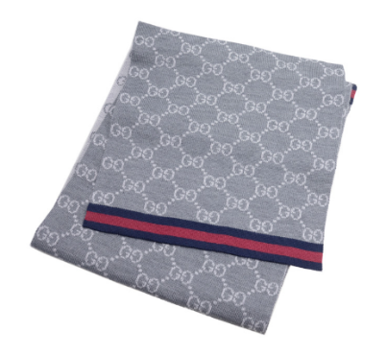 | 325806 | 3G206 | 1263 | 195X70 | 100% WOOL | 30 |  | 420.00 € | 181 €
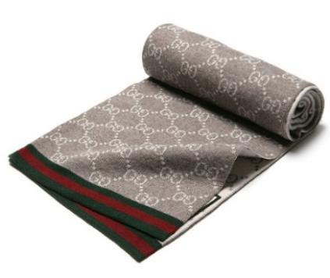 | 325806 | 3G206 | 2878 | 195X70 | 100% WOOL | 30 |  | 420.00 € | 181 €
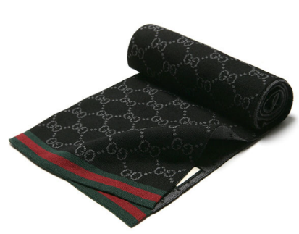 | 325806 | 3G206 | 1062 | 195X70 | 100% WOOL | 30 |  | 420.00 € | 181 €
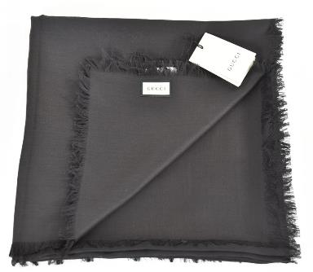 | 387563 | 3G646 | 1000 | 135X135 | 50% SILK / 50% WOOL | 80 |  | 530.00 € | 220 €
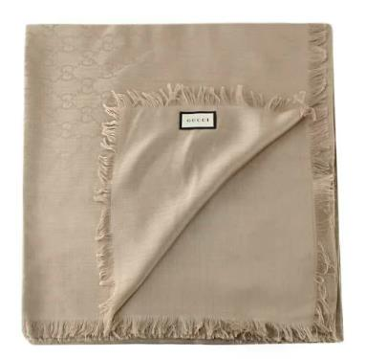 | 387563 | 3G646 | 9700 | 135X135 | 50% SILK / 50% WOOL | 80 |  | 530.00 € | 220 €
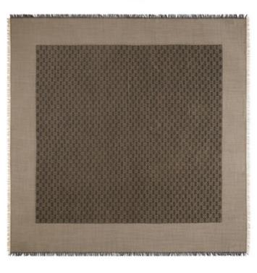 | 387563 | 3G646 | 2079 | 135X135 | 50% SILK / 50% WOOL | 50 |  | 530.00 € | 220 €
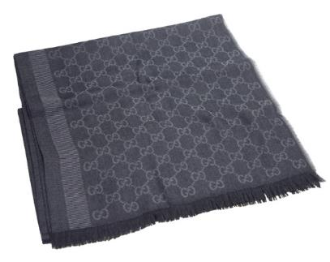 | 282390 | 3G704 | 1062 | 195 X 70 | 100% WOOL | 30 |  | 530.00 € | 220 €
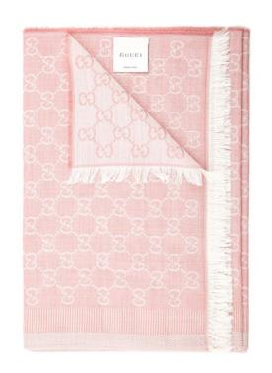 | 282390 | 3G704 | 6978 | 195 X 70 | 100% WOOL | 30 |  | 530.00 € | 220 €
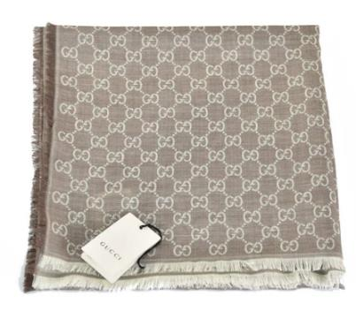 | 282390 | 3G704 | 1578 | 195 X 70 | 100% WOOL | 80 |  | 530.00 € | 220 €
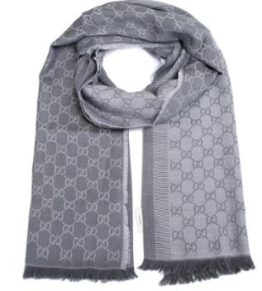 | 282390 | 3G704 | 1962 | 195 X 70 | 100% WOOL | 30 |  | 530.00 € | 220 €
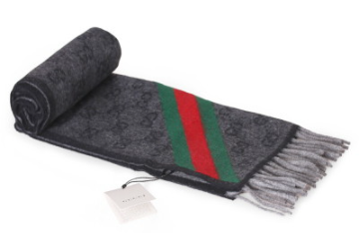 | 570603 | 3G200 | 1466 | 190X37 | 100% WOOL | 15 |  | 460.00 € | 220 €
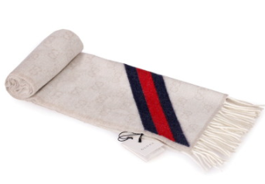 | 570603 | 3G200 | 9568 | 190X37 | 100% WOOL | 20 |  | 460.00 € | 220 €
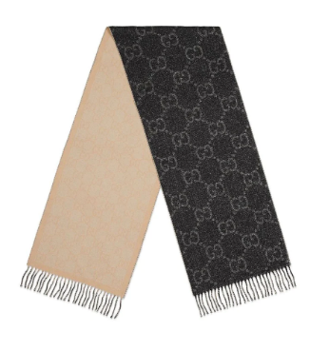 | 727724 | 3GABR | 1079 | 194X34 | 86% Wool / 11% Viscose / 3% Metallised Fibre | 15 |  | 450.00 € | 328 €
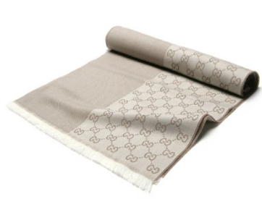 | 344994 | 4G200 | 9279 | 40X180 | 100% WOOL | 50 |  | 380.00 € | 186 €
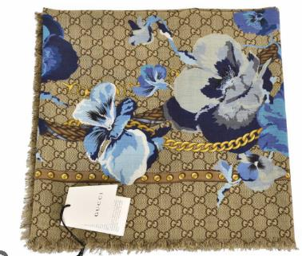 | 508797 | 3G200 | 4279 | 140X140 | 100% WOOL | 50 |  | 460.00 € | 220 €
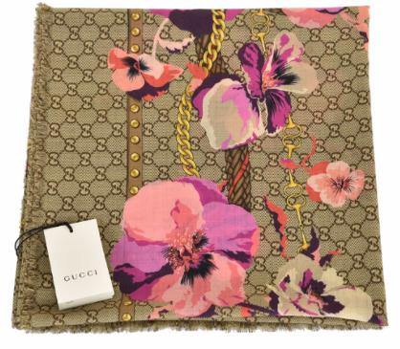 | 508797 | 3G200 | 5879 | 140X140 | 100% WOOL | 50 |  | 460.00 € | 220 €
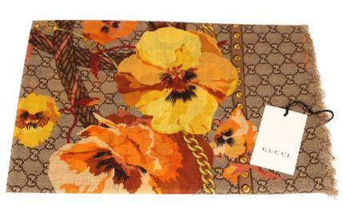 | 508797 | 3G200 | 7179 | 140X140 | 100% WOOL | 50 |  | 460.00 € | 220 €
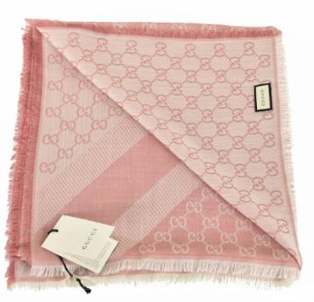 | 281942 | 3G704 | 6978 | 140X140 | 100% WOOL | 50 |  | 460.00 € | 220 €
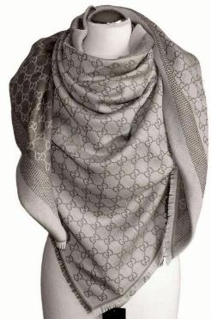 | 281942 | 3G704 | 1578 | 140X140 | 100% WOOL | 30 |  | 460.00 € | 220 €
 |  |  |  |  |  | 800 | 0

